TEAM1
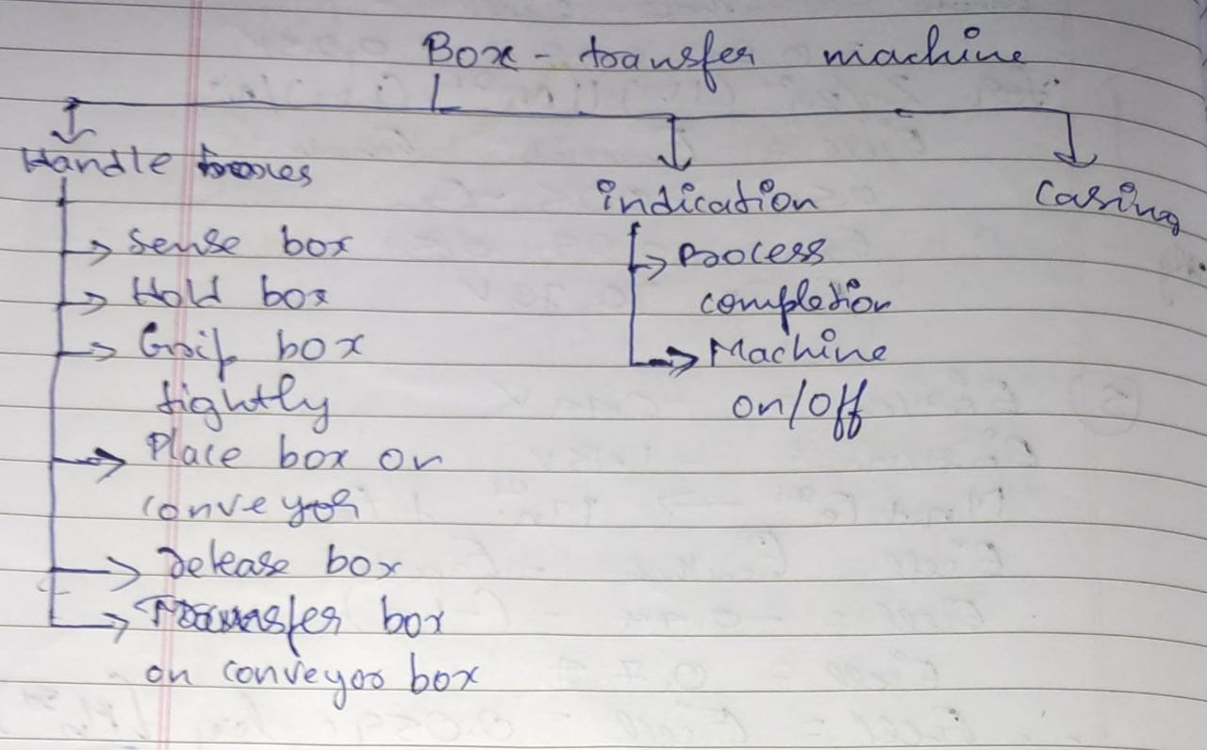
Team 7

Activity 1 |  |  | Activity - 3 : Morphological Chart |  |  |  |  |  |  | Activity 4 - Selection of means for each concepts
TEAM1 | Functions from User Perspective | Functions from Designer Perspective | Serial No. | Subfunctions | Means 1 | Means 2 | Means 3 | Means 4 | Subfunctions | Concept 1 | Concept 2 | Concept 3 | Concept 4
1 | Handle boxes | sense box | 1
2 |  | grid box tightly | 2
3 |  | place box on conveyor | 3
4 |  | release the box | 4
5 |  | transfer the box | 5
6 | Indication | process completion | 6
7 |  | machine on\off | 7
8 | Casing |  | 8
9 |  |  | 9
10 |  |  | 10
11
12

 |  |  | Activity 2 - Function Tree (Paste Image Below)

TEAM2
Team 2

Activity 1 |  |  | Activity - 3 : Morphological Chart |  |  |  |  |  |  | Activity 4 - Selection of means for each concepts
TEAM2 | Functions from User Perspective | Functions from Designer perspective | Serial No. | Subfunctions | Means 1 | Means 2 | Means 3 | Means 4 | Subfunctions | Concept 1 | Concept 2 | Concept 3 | Concept 4
1 | Crush the cups | An pushing arm to crush the cup | 1
2 | Put crushed cup into dustbin | Sensing the presence of a person to avoid wastage of energy | 2
3 |  | Dropping the crushed cups | 3
4 |  | An compartment to drop or input the cup | 4
5 |  | Sense the cup | 5
6 |  | Main switch ON/OFF | 6
7 |  | Process completion indicator | 7
8 |  | Empty the cup | 8
9 |  | Back to starting position | 9
10 |  |  | 10
11
12
13
14
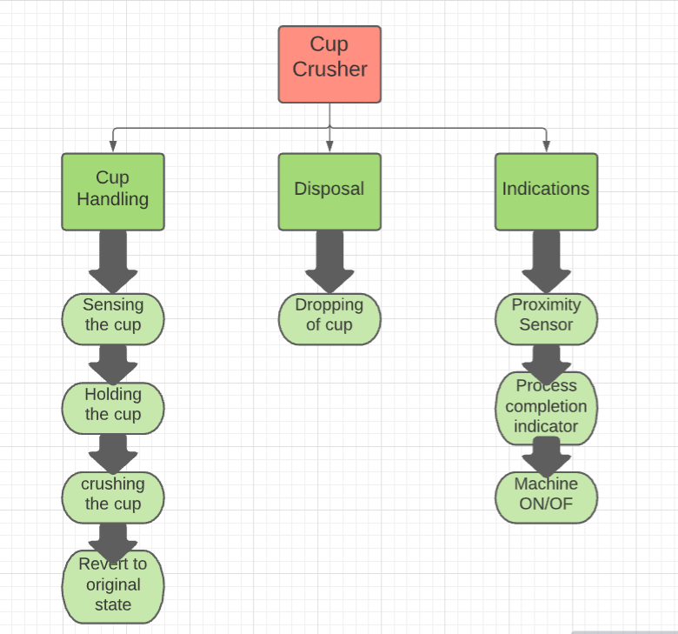
15 |  |  | Activity 2 - Function Tree (Paste Image Below)
16
17
18
19

TEAM3
Team 3

Activity 1 |  |  | Activity - 3 : Morphological Chart |  |  |  |  |  |  | Activity 4 - Selection of means for each concepts
TEAM3 | Functions from User Perspective | Functions from Designer perspective | Serial No. | Subfunctions | Means 1 | Means 2 | Means 3 | Means 4 | Subfunctions | Concept 1 | Concept 2 | Concept 3 | Concept 4
1 | crushing of cups | sensing of cups | 1
2 | despensing of crushed cups in bin | transfering cups to crushig point | 2
3 | indication of process completion | stopping cups at crushing point | 3
4 | indication of machine on/off | alarming the mis placment of cups | 4
5 |  | holding of cups | 5
6 |  | crusher regainig its original position | 6
7 |  |  | 7
8 |  |  | 8
9 |  |  | 9
10 |  |  | 10
11
12
13
14
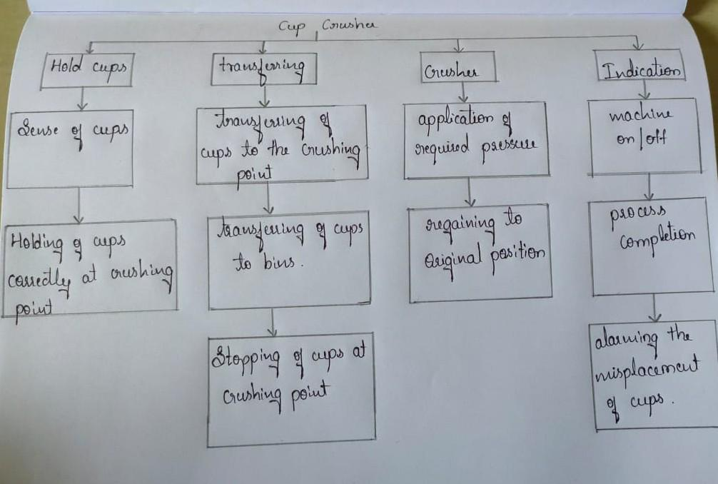
15 |  |  | Activity 2 - Function Tree (Paste Image Below)
16
17
18
19

TEAM4
Team 4

Activity 1 |  |  | Activity - 3 : Morphological Chart |  |  |  |  |  |  | Activity 4 - Selection of means for each concepts
TEAM4 | Functions from User Perspective | Functions from Designer perspective | Serial No. | Subfunctions | Means 1 | Means 2 | Means 3 | Means 4 | Subfunctions | Concept 1 | Concept 2 | Concept 3 | Concept 4
1 | Crush the Cup | Sense the Cup | 1
2 | Indicate after completing process | Hold the Cup | 2
3 |  | Crush the Cup | 3
4 |  | Move it to Dustbin | 4
5 |  | Release the cup | 5
6 |  | Indicate the Completion | 6
7 |  |  | 7
8 |  |  | 8
9 |  |  | 9
10 |  |  | 10
11
12
13
14
15 |  |  | Activity 2 - Function Tree (Paste Image Below)
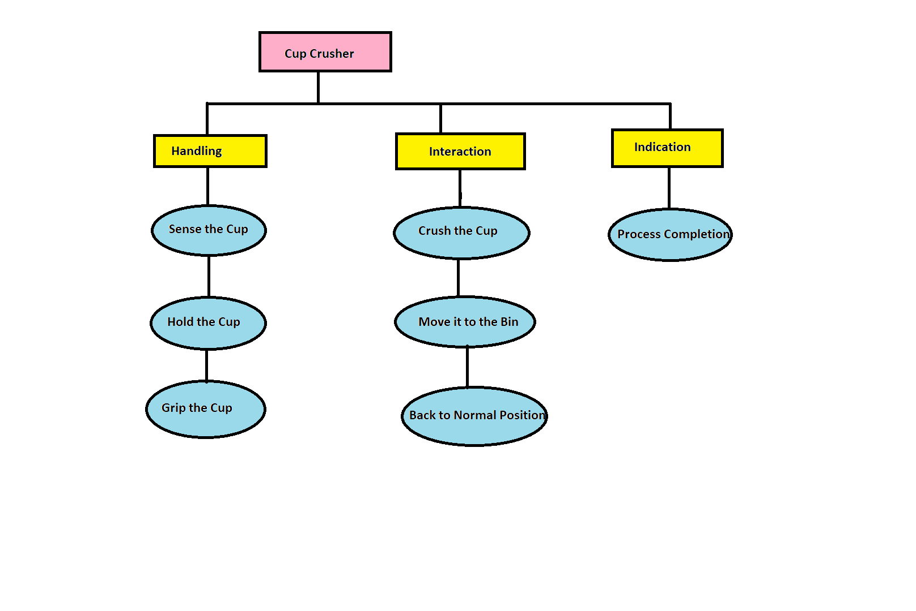
16
17
18
19

TEAM5
Team 6

Activity 1 |  |  | Activity - 3 : Morphological Chart |  |  |  |  |  |  | Activity 4 - Selection of means for each concepts
TEAM5 | Functions from User Perspective | Functions from Designer perspective | Serial No. | Subfunctions | Means 1 | Means 2 | Means 3 | Means 4 | Subfunctions | Concept 1 | Concept 2 | Concept 3 | Concept 4
1 | Display the types of cups it can crush | display the material of cups it can crush | 1
2 | display the size of cups it can crush | display the size limits of cups it can crush | 2
3 | make a sound when the cup is placed | Sense the cup | 3
4 |  | tell error in positioning the cup | 4
5 |  | sense the hand and tell to remove the hand | 5
6 |  | display cups will be crushed in 5 sec | 6
7 |  | crush the cup | 7
8 |  | display that the cup is crushed | 8
9 |  | move it to the dustbin | 9
10 |  | display that the work is done | 10
11
12
13
14
15 |  |  | Activity 2 - Function Tree (Paste Image Below)
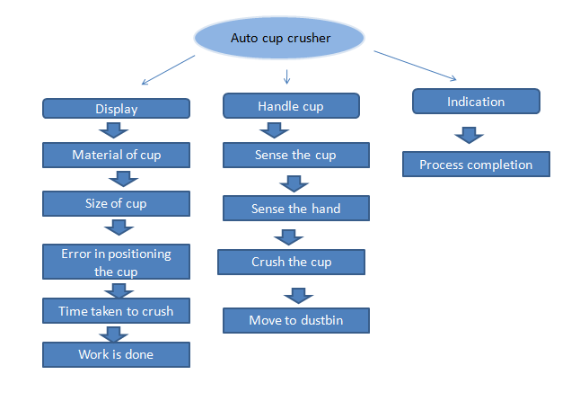

16
17
18
19

TEAM6
Team 6

Activity 1 |  |  | Activity - 3 : Morphological Chart |  |  |  |  |  |  | Activity 4 - Selection of means for each concepts
TEAM5 | Functions from User Perspective | Functions from Designer perspective | Serial No. | Subfunctions | Means 1 | Means 2 | Means 3 | Means 4 | Subfunctions | Concept 1 | Concept 2 | Concept 3 | Concept 4
1 | Draw the pattern on paper | Hold the pen | 1
2 | Indicate the completion of drawing | Identify the paper | 2
3 | Identify the pattern | Hold the paper | 3
4 |  | Switch ON/OFF the device(BOT) | 4
5 |  | Draw pattern using pen | 5
6 |  | Indicate process completion-LED | 6
7 |  |  | 7
8 |  |  | 8
9 |  |  | 9
10 |  |  | 10
11
12
13
14
15 |  |  | Activity 2 - Function Tree (Paste Image Below)
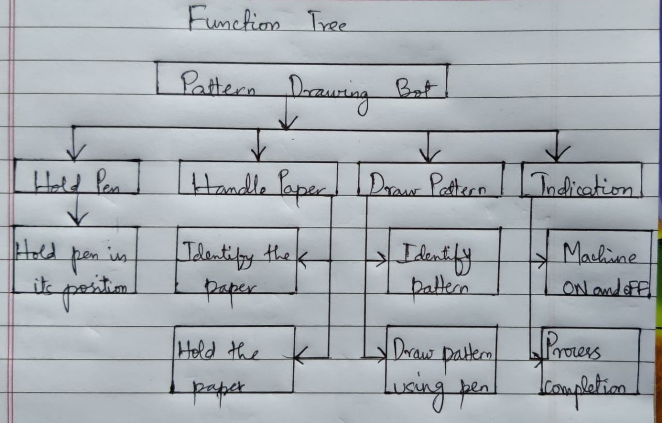
16
17
18
19

